TITLE
TEXAS DIRECT FEEDLOTS
FED STEERS & HEIFERS
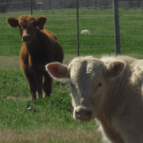 PRICE DATA
2018-01-29

