TITLE
TEXAS DIRECT FEEDLOTS
FED STEERS & HEIFERS
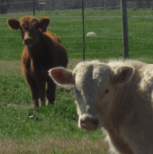 PRICE DATA
2017-10-09

