TITLE
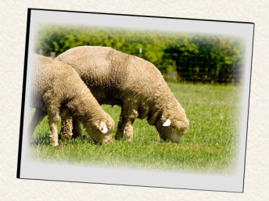
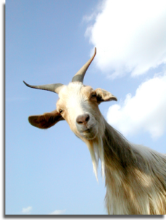
FREDERICKSBURG AUCTION
SHEEP & GOATS
PRICE DATA
2011-08-31

